Sheet1
 |  | 🌦️Weather Analysis🌦️

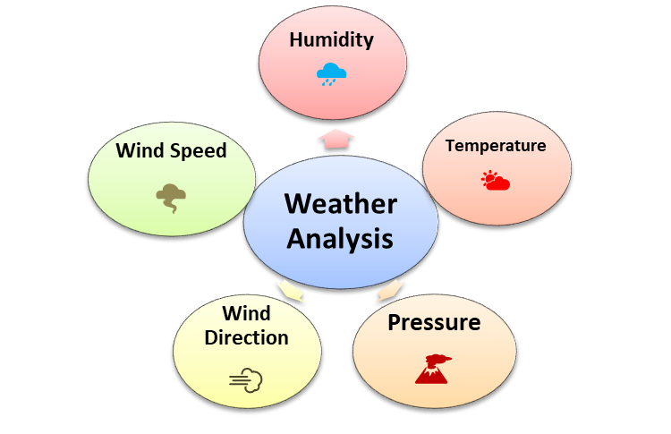


 | Weather Pictures | Monthly Average Temperature | Extreme Temperature Events | Correlations with Other Weather Attributes | Type of chart | Describe
Temperature Analysis:- | 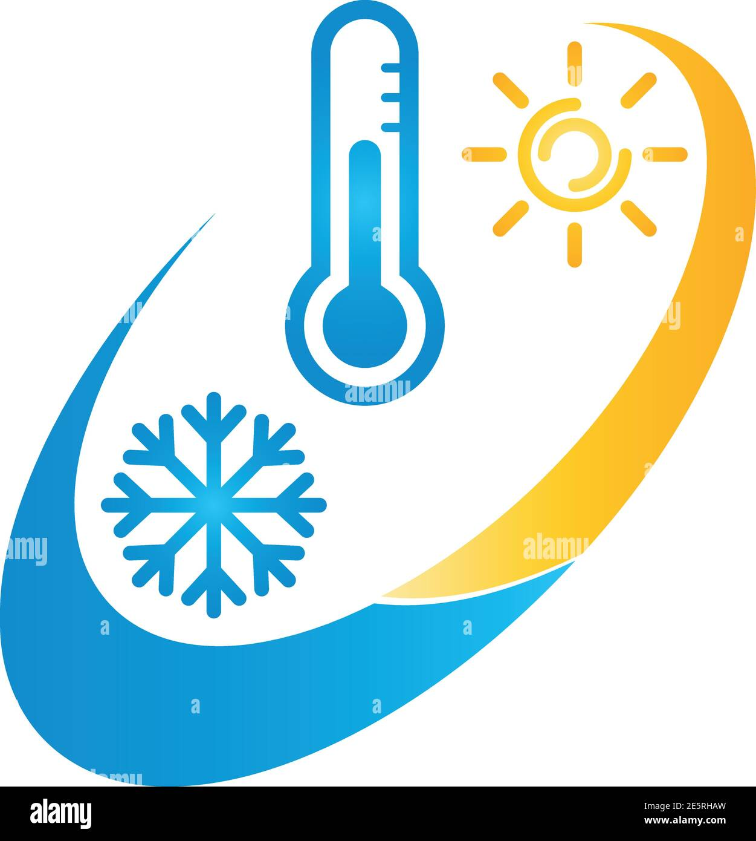 | Calculate and analyze the monthly average temperatures to identify temperature trends throughout the year. | Identify and analyze extreme temperature events, such as heatwaves and cold snaps, and their impact on the area. | Investigate how temperature correlates with humidity, pressure, wind speed, and weather descriptions. | Line Chart | To display the monthly average temperature over time. Each line represents a year, allowing you to identify temperature trends from year to year.

 |  | Monthly Average Humidity | Extreme Humidity Events | Correlations with Other Weather Attributes
Humidity Analysis:- | 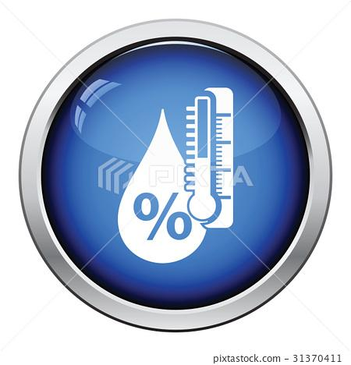 | Calculate and analyze the monthly average humidity levels to understand seasonal variations. | Identify and analyze extreme humidity events, such as periods of high humidity or droughts. | Investigate how humidity correlates with temperature, pressure, wind speed, and weather descriptions. | Line Chart | To visualize the monthly average humidity levels over time. Each line represents a year or a season, highlighting humidity trends.

 |  | Monthly Average Pressure | Pressure Anomalies | Correlations with Other Weather Attributes
Pressure Analysis:- | 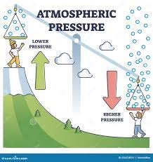 | Calculate and analyze the monthly average pressure to detect changes in atmospheric pressure over time. | Identify unusual pressure patterns, such as high or low-pressure systems, and their effects on the weather. | Investigate how pressure correlates with temperature, humidity, wind speed, and weather descriptions. | Line Chart | To show the monthly average pressure levels over time. Each line represents a year or a season, helping to identify atmospheric pressure trends.

 |  | Most Common Weather Descriptions | Extreme Weather Events | Correlations with Other Weather Attributes
Weather Description Analysis:- | 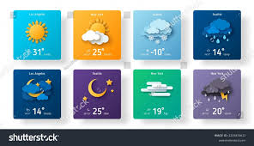 | Determine the most frequently occurring weather descriptions to understand typical weather conditions in the area. | Analyze weather descriptions associated with extreme weather events like storms, heavy rainfall, or snow. | Investigate how weather descriptions relate to temperature, humidity, pressure, wind speed, and wind direction. | Bar Chart or Stacked Area Chart | To show the frequency of various weather descriptions on a monthly or seasonal basis. This will reveal trends in the occurrence of different weather conditions.

 |  | Monthly Average Wind Speed | Wind Storms and Gusts | Correlations with Other Weather Attributes
Wind Speed Analysis:- | 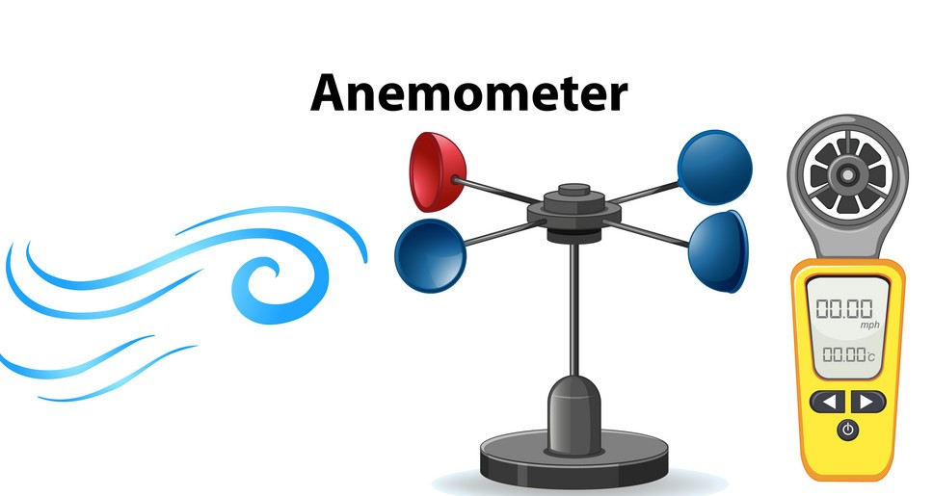 | Calculate and analyze the monthly average wind speeds to identify variations throughout the year. | Analyze periods of high wind speeds and gusts, especially during storms or windy seasons. | Investigate how wind speed correlates with temperature, humidity, pressure, and its impact on weather descriptions. | Line Chart | To display the monthly average wind speed over time. Each line represents a year, making it easy to identify wind speed trends.

 |  | Prevailing Wind Directions | Wind Shear Events | Correlations with Other Weather Attributes
Wind Direction Analysis:- |  | Determine the prevailing wind directions for each season and analyze their impact on local weather patterns. | Investigate instances of rapid changes in wind direction, known as wind shears, and their influence on weather conditions. | Examine how wind direction correlates with temperature, humidity, pressure, wind speed, and weather descriptions. | Rose Chart | To visualize the prevailing wind directions for each season. A rose chart effectively represents wind direction trends and patterns.

1 | Create line or bar charts in Power BI to visualize seasonal variations in temperature, humidity, and pressure.
2 | Use scatter plots or heat maps in Power BI to display the correlations between weather attributes.
3 | Create line charts to display trends in temperature, pressure, humidity, wind speed, and wind direction over time.

